Sheet1
Path | Scenario | Steps | Input | Expected | Results
Happy Path | Verify Pages
 |  | Access https://qa-practice.netlify.app/bugs-form
 |  | Verify Header text: CHALLENGE - Spot the BUGS! |  | Details should be correct | Passed
 |  | Verify Sub header text: This page contains at least 15 bugs. How many of them can you spot? |  | Details should be correct | Passed
 |  | Verify field text: First Name |  | Details should be correct | Passed
 |  | Verify field text: Enter Last Name |  | Details should be correct | Passed
 |  | Verify field text: Enter Phone number |  | Details should be correct | FAILED
 |  | Verify field text: Select Country |  | Details should be correct | Passed
 |  | Verify field text: Enter Email address |  | Details should be correct | Passed
 |  | Verify field text: Enter Password |  | Details should be correct | Passed
 |  | Verify field text: I agree with the terms and conditions |  | Details should be correct | Passed
 |  | Verify field Button: Register |  | Details should be correct | Passed
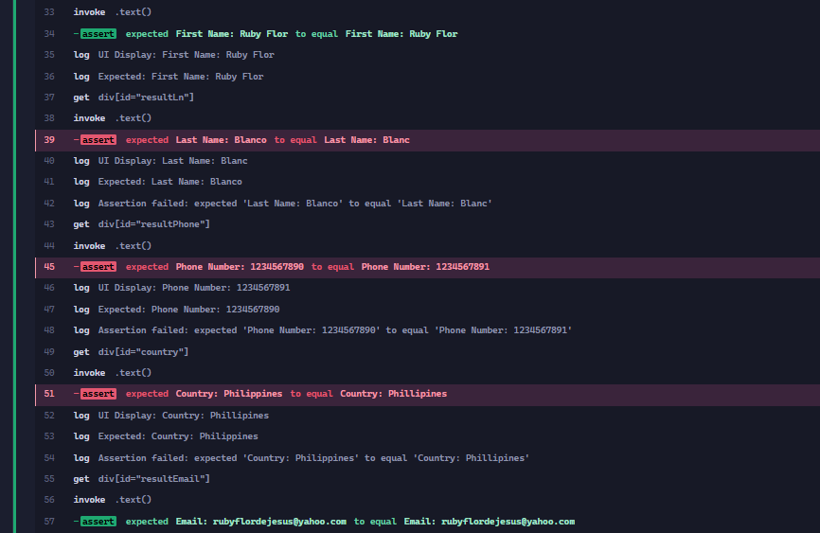
Happy Path | Submit Complete Form
 |  | Access https://qa-practice.netlify.app/bugs-form
 |  | Enter First Name | Ruby Flor | Should be able to enter details | Passed
 |  | Enter Last Name | Blanco | Should be able to enter details | Passed
 |  | Enter Phone number | 1234567890 | Should be able to enter details | Passed
 |  | Select Country | Philippines | Should be able to enter details | Passed
 |  | Enter Email address | rubyflordejesus@yahoo.com | Should be able to enter details | Passed
 |  | Enter Password | 1234567 | Should be able to enter details | Passed
 |  | Select I agree with the terms and conditions | Checked | Should be able to check | Passed
 |  | Register the User by clicking Register |  | Should be able to submit the details | Passed
 |  | Verify the submited form confirmation |  | Should match the submitted details First Name: Ruby Flor Last Name: Blanco Phone number: 1234567890 Country: Philippines Email address: rubyflordejesus@yahoo.com | FAILED

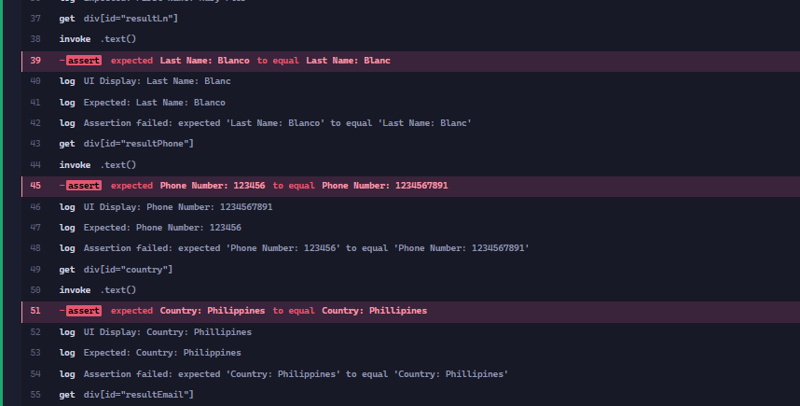
Happy Path | Submit Complete Form - Password 6chars
 |  | Access https://qa-practice.netlify.app/bugs-form
 |  | Enter First Name | Ruby Flor | Should be able to enter details | Passed
 |  | Enter Last Name | Blanco | Should be able to enter details | Passed
 |  | Enter Phone number | 1234567890 | Should be able to enter details | Passed
 |  | Select Country | Philippines | Should be able to enter details | Passed
 |  | Enter Email address | rubyflordejesus@yahoo.com | Should be able to enter details | Passed
 |  | Enter Password | 123456 | Should be able to enter details | Passed
 |  | Select I agree with the terms and conditions | Checked | Should be able to check | Passed
 |  | Register the User by clicking Register |  | Should be able to submit the details | Passed
 |  | Verify the submited form confirmation |  | Should match the submitted details First Name: Ruby Flor Last Name: Blanco Phone number: 639178079649 Country: Philippines Email address: rubyflordejesus@yahoo.com | FAILED

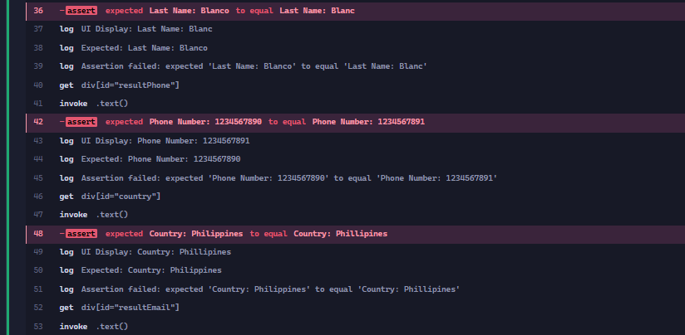
Happy Path | Submit Complete Form - Password 10chars
 |  | Access https://qa-practice.netlify.app/bugs-form
 |  | Enter First Name | Ruby Flor | Should be able to enter details | Passed
 |  | Enter Last Name | Blanco | Should be able to enter details | Passed
 |  | Enter Phone number | 1234567890 | Should be able to enter details | Passed
 |  | Select Country | Philippines | Should be able to enter details | Passed
 |  | Enter Email address | rubyflordejesus@yahoo.com | Should be able to enter details | Passed
 |  | Enter Password | 1234567890 | Should be able to enter details | Passed
 |  | Select I agree with the terms and conditions | Checked | Should be able to check | Passed
 |  | Register the User by clicking Register |  | Should be able to submit the details | Passed
 |  | Verify the submited form confirmation |  | Should match the submitted details First Name: Ruby Flor Last Name: Blanco Phone number: 639178079649 Country: Philippines Email address: rubyflordejesus@yahoo.com | FAILED

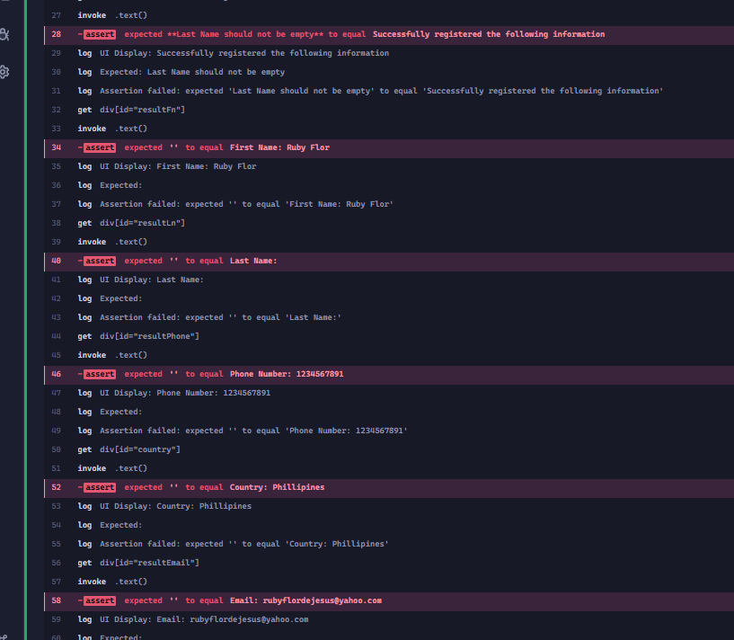
Unhappy Path | Validate Required Field - Last Name
 |  | Access https://qa-practice.netlify.app/bugs-form |  |  | Passed
 |  | Enter First Name | Ruby | Should be able to enter details | Passed
 |  | Enter Last Name |  | Should be able to enter details | Passed
 |  | Enter Phone number | 9178079649 | Should be able to enter details | Passed
 |  | Select Country | Philippines | Should be able to enter details | Passed
 |  | Enter Email address | rubyflordejesus@yahoo.com | Should be able to enter details | Passed
 |  | Enter Password | Pa$$w0rd14 | Should be able to enter details | Passed
 |  | Select I agree with the terms and conditions | Checked | Should be able to check | Passed
 |  | Register the User by clicking Register |  | Should not be able to submit. Should show validation: Last Name should not be empty | FAILED
 |  | Verify the submited form confirmation |  | Empty | FAILED

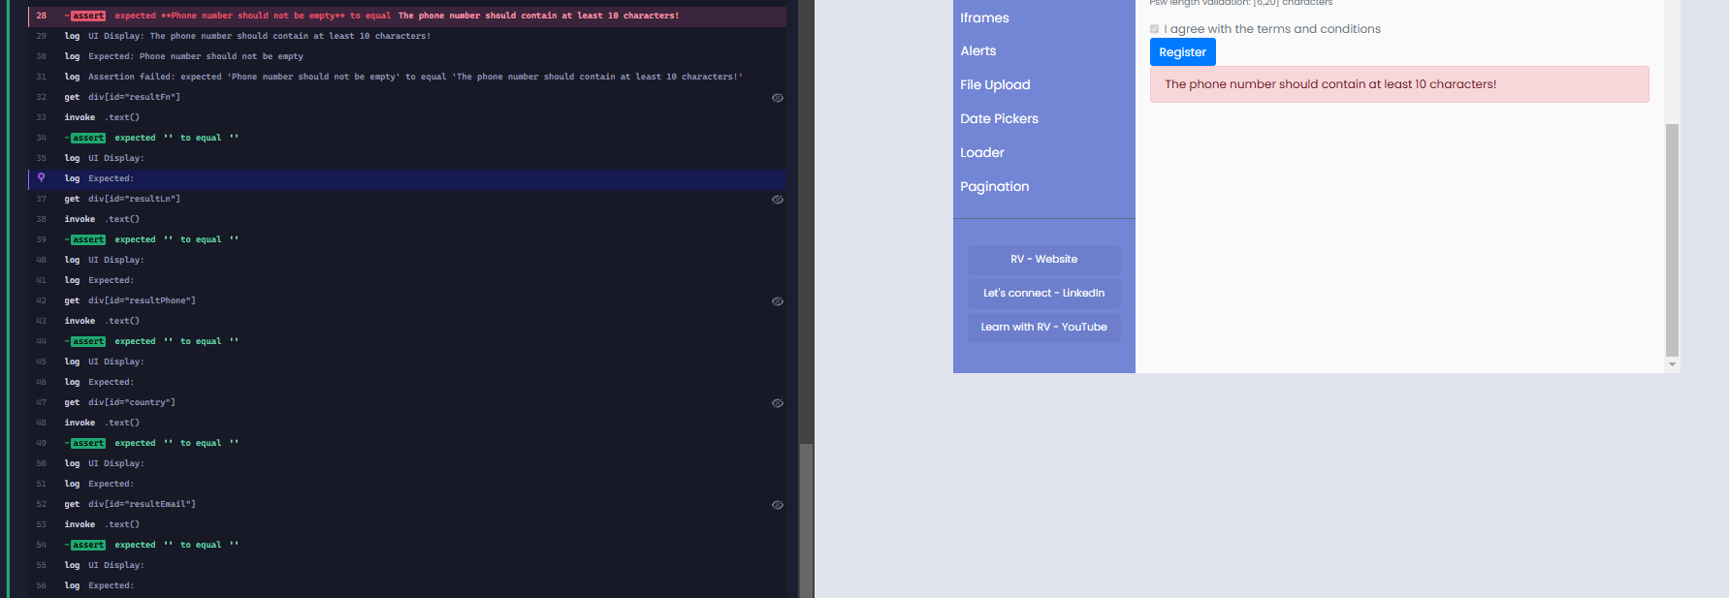
Unhappy Path | Validate Required Field - Phone number
 |  | Access https://qa-practice.netlify.app/bugs-form
 |  | Enter First Name | Ruby | Should be able to enter details | Passed
 |  | Enter Last Name | Blanco | Should be able to enter details | Passed
 |  | Enter Phone number |  | Should be able to enter details | Passed
 |  | Select Country | Philippines | Should be able to enter details | Passed
 |  | Enter Email address | rubyflordejesus@yahoo.com | Should be able to enter details | Passed
 |  | Enter Password | Pa$$w0rd14 | Should be able to enter details | Passed
 |  | Select I agree with the terms and conditions | Checked | Should be able to check | Passed
 |  | Register the User by clicking Register |  | Should not be able to submit. Should show validation: Phone number should not be empty | Passed
 |  | Verify the submited form confirmation |  | Empty | FAILED
 |  |  |  |  | Passed

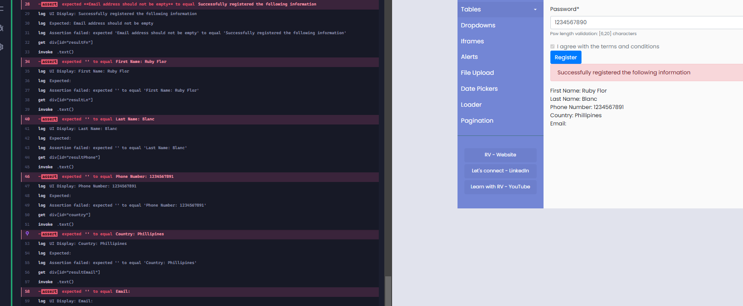
Unhappy Path | Validate Required Field - Email Address
 |  | Access https://qa-practice.netlify.app/bugs-form
 |  | Enter First Name | Ruby | Should be able to enter details | Passed
 |  | Enter Last Name | Blanco | Should be able to enter details | Passed
 |  | Enter Phone number | 9178079649 | Should be able to enter details | Passed
 |  | Select Country | Philippines | Should be able to enter details | Passed
 |  | Enter Email address |  | Should be able to enter details | Passed
 |  | Enter Password | Pa$$w0rd14 | Should be able to enter details | Passed
 |  | Select I agree with the terms and conditions | Checked | Should not be able to submit. Should show validation: Email address should not be empty | Passed
 |  | Register the User by clicking Register |  | Should be able to submit the details | Passed
 |  | Verify the submited form confirmation |  | Empty | FAILED
 |  |  |  |  | FAILED

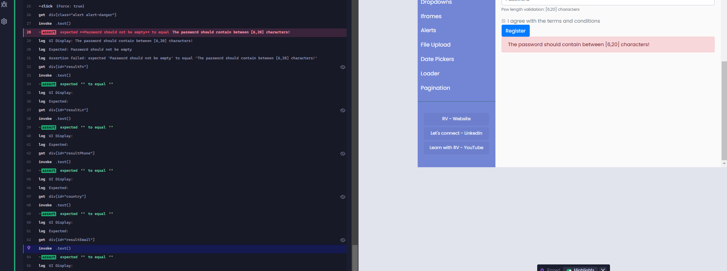
Unhappy Path | Validate Required Field - Password
 |  | Access https://qa-practice.netlify.app/bugs-form
 |  | Enter First Name | Ruby | Should be able to enter details | Passed
 |  | Enter Last Name | Blanco | Should be able to enter details | Passed
 |  | Enter Phone number | 9178079649 | Should be able to enter details | Passed
 |  | Select Country | Philippines | Should be able to enter details | Passed
 |  | Enter Email address | rubyflordejesus@yahoo.com | Should be able to enter details | Passed
 |  | Enter Password |  | Should be able to enter details | Passed
 |  | Select I agree with the terms and conditions | Checked | Should not be able to submit. Should show validation: Password should not be empty | FAILED
 |  | Verify the submited form confirmation |  | Empty | Passed

Unhappy Path | Validate Phone Number (less than 10 digits)
 |  | Access https://qa-practice.netlify.app/bugs-form
 |  | Enter First Name | Ruby | Should be able to enter details | Passed
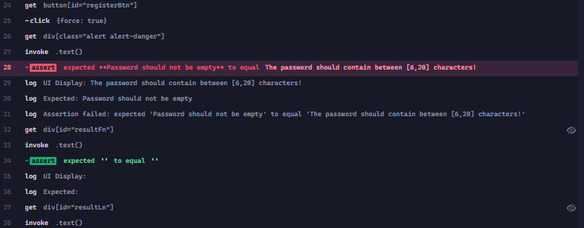
 |  | Enter Last Name | Blanco | Should be able to enter details | Passed
 |  | Enter Phone number | 123 | Should be able to enter details | Passed
 |  | Select Country | Philippines | Should be able to enter details | Passed
 |  | Enter Email address | rubyflordejesus@yahoo.com | Should be able to enter details | Passed
 |  | Enter Password | Pa$$w0rd14 | Should be able to enter details | Passed
 |  | Select I agree with the terms and conditions | Checked | Should be able to check | Passed
 |  | Register the User by clicking Register |  | Should not be able to submit. Should show validation: The phone number should contain at least 10 characters! | FAILED
 |  | Verify the submited form confirmation |  | Empty | Passed

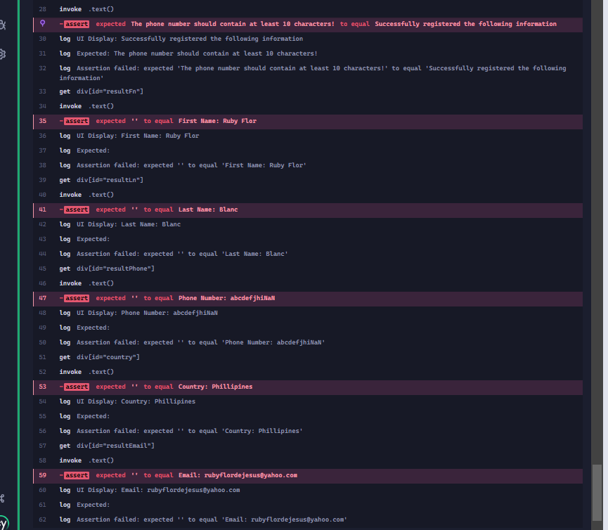
Unhappy Path | Validate Phone Number (10 alphabet char)
 |  | Access https://qa-practice.netlify.app/bugs-form
 |  | Enter First Name | Ruby | Should be able to enter details | Passed
 |  | Enter Last Name | Blanco | Should be able to enter details | Passed
 |  | Enter Phone number | abcdefghij | Should be able to enter details | Passed
 |  | Select Country | Philippines | Should be able to enter details | Passed
 |  | Enter Email address | rubyflordejesus@yahoo.com | Should be able to enter details | Passed
 |  | Enter Password | Pa$$w0rd14 | Should be able to enter details | Passed
 |  | Select I agree with the terms and conditions | Checked | Should be able to check | Passed
 |  | Register the User by clicking Register |  | Should not be able to submit. Should show validation: The phone number should contain at least 10 characters! | FAILED
 |  | Verify the submited form confirmation |  | Empty | FAILED

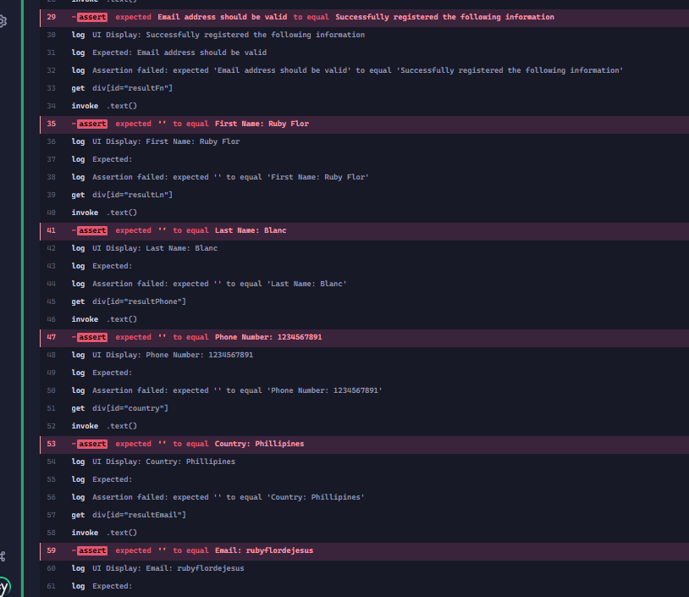
Unhappy Path | Validate entered Email Address
 |  | Access https://qa-practice.netlify.app/bugs-form
 |  | Enter First Name | Ruby | Should be able to enter details | Passed
 |  | Enter Last Name | Blanco | Should be able to enter details | Passed
 |  | Enter Phone number | 9178079649 | Should be able to enter details | Passed
 |  | Select Country | Philippines | Should be able to enter details | Passed
 |  | Enter Email address | rubyflordejesus | Should be able to enter details | Passed
 |  | Enter Password | Pa$$w0rd14 | Should be able to enter details | Passed
 |  | Select I agree with the terms and conditions | Checked | Should be able to check | Passed
 |  | Register the User by clicking Register |  | Should not be able to submit. Should show validation: Email address should be valid | FAILED
 |  | Verify the submited form confirmation |  | Empty | FAILED

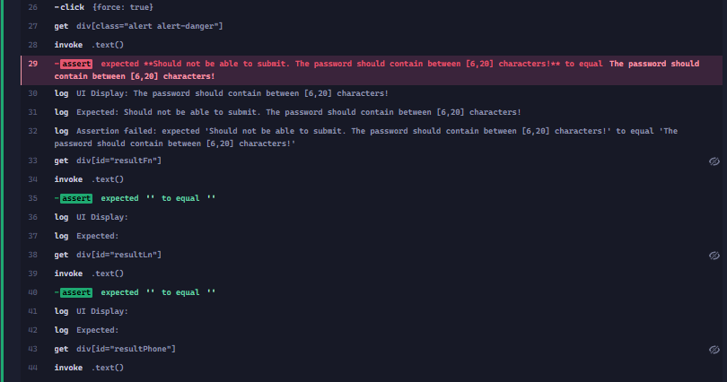
Unhappy Path | Validate Password (less than 6 digits)
 |  | Access https://qa-practice.netlify.app/bugs-form
 |  | Enter First Name | Ruby | Should be able to enter details | Passed
 |  | Enter Last Name | Blanco | Should be able to enter details | Passed
 |  | Enter Phone number | 9178079649 | Should be able to enter details | Passed
 |  | Select Country | Philippines | Should be able to enter details | Passed
 |  | Enter Email address | rubyflordejesus@yahoo.com | Should be able to enter details | Passed
 |  | Enter Password | 12345 | Should be able to enter details | Passed
 |  | Select I agree with the terms and conditions | Checked | Should be able to check | Passed
 |  | Register the User by clicking Register |  | Should not be able to submit. The password should contain between [6,20] characters! | FAILED
 |  | Verify the submited form confirmation |  | Empty | Passed

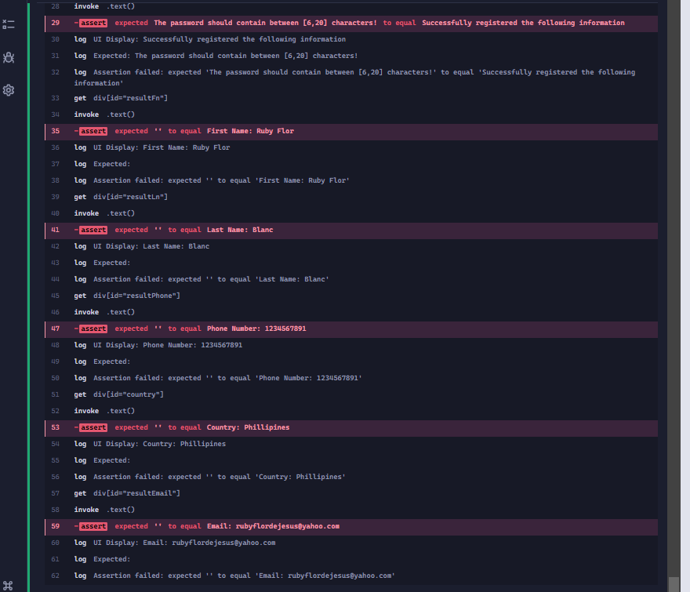
Unhappy Path | Validate Password (more than 10 digits)
 |  | Access https://qa-practice.netlify.app/bugs-form
 |  | Enter First Name | Ruby | Should be able to enter details | Passed
 |  | Enter Last Name | Blanco | Should be able to enter details | Passed
 |  | Enter Phone number | 9178079649 | Should be able to enter details | Passed
 |  | Select Country | Philippines | Should be able to enter details | Passed
 |  | Enter Email address | rubyflordejesus@yahoo.com | Should be able to enter details | Passed
 |  | Enter Password | 12345 | Should be able to enter details | Passed
 |  | Select I agree with the terms and conditions | Checked | Should be able to check | Passed
 |  | Register the User by clicking Register |  | Should not be able to submit. The password should contain between [6,20] characters! | FAILED
 |  |  |  |  | FAILED
 |  | Verify the submited form confirmation |  | Empty

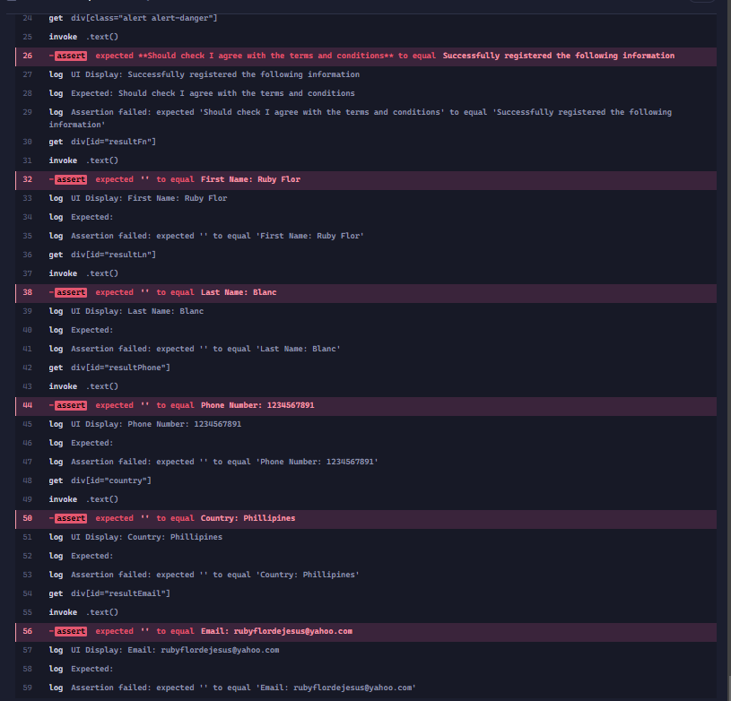
Unhappy Path | Submit Complete Form - Unchecked I agree with the terms and conditions
 |  | Access https://qa-practice.netlify.app/bugs-form
 |  | Enter First Name | Ruby | Should be able to enter details | Passed
 |  | Enter Last Name | Blanco | Should be able to enter details | Passed
 |  | Enter Phone number | 639178079649 | Should be able to enter details | Passed
 |  | Select Country | Philippines | Should be able to enter details | Passed
 |  | Enter Email address | rubyflordejesus@yahoo.com | Should be able to enter details | Passed
 |  | Enter Password | Pa$$w0rd14 | Should be able to enter details | Passed
 |  | Select I agree with the terms and conditions | Unchecked | Should be able to uncheck | Passed
 |  | Register the User by clicking Register |  | Should not be able to submit. Should check I agree with the terms and conditions | FAILED
 |  | Verify the submited form confirmation |  | Empty | FAILED

